3
IIIa | SITUATION ANALYSIS: WASTE

1 | Solid waste [kg per year]
 | Waste type | Year |  |  |  |  | Average
 |  | 2021 | 2022 | 2023 | 2024 | 2025
1 | Paper and cardboard |  |  |  |  |  | #DIV/0!
2 | Metal |  |  |  |  |  | #DIV/0!
3 | Plastic |  |  |  |  |  | #DIV/0!
4 | Glass |  |  |  |  |  | #DIV/0!
5 | Biodegradable waste |  |  |  |  |  | #DIV/0!
6 | Tree |  |  |  |  |  | #DIV/0!
7 | Textile waste |  |  |  |  |  | #DIV/0!
8 | Batteries and accumulators |  |  |  |  |  | #DIV/0!
9 | Waste electrical and electronic equipment |  |  |  |  |  | #DIV/0!
10 | Rubber, leather and other waste |  |  |  |  |  | #DIV/0!
 | Total | - | - | - | - | - | -
Waste structure

 | Paper and cardboard | #DIV/0!
 | Metal | #DIV/0!
 | Plastic | #DIV/0!
 | Glass | #DIV/0!
 | Biodegradable waste | #DIV/0!
 | Tree | #DIV/0!
 | Textile waste | #DIV/0!
 | Batteries and accumulators | #DIV/0!
 | Waste electrical and electronic equipment | #DIV/0!
 | Rubber, leather and other waste | #DIV/0!

2 | Recycling [kg per year]
 | Waste type | Year |  |  |  |  | Average
 |  | 2021 | 2022 | 2023 | 2024 | 2025
 | Paper and cardboard |  |  |  |  |  | #DIV/0!
 | Plastic |  |  |  |  |  | #DIV/0!
 | Metal |  |  |  |  |  | #DIV/0!
 | Glass |  |  |  |  |  | #DIV/0!
 | Composting organic waste |  |  |  |  |  | #DIV/0!
 | Total | - | - | - | - | - | -
Recycled waste[%]

 | Paper and cardboard | #DIV/0! | #DIV/0! | #DIV/0!
 | Plastic | #DIV/0! | #DIV/0! | #DIV/0!
 | Metal | #DIV/0! | #DIV/0! | #DIV/0!
 | Glass | #DIV/0! | #DIV/0! | #DIV/0!
 | Composting organic waste | #DIV/0! | #DIV/0! | #DIV/0!
 | Удео рециклираног отпада у укупном отпаду | #DIV/0! | #DIV/0! | -

3 | Liquid waste [liters per year]
 | Waste type | Year |  |  |  |  | Average
 |  | 2021 | 2022 | 2023 | 2024 | 2025
1 | Waste oils |  |  |  |  |  | #DIV/0!
2 | Other liquid waste |  |  |  |  |  | #DIV/0!
 | Total | - | - | - | - | - | -

4 | Waste management | Assessment
1 | Waste reduction at source and reuse
2 | Recycling/Composting
3 | Reuse of waste and/or handover of waste to a collector
4 | Waste disposal by landfill | 100.00%

 | Waste reduction at source and reuse | Recycling/Composting | Reuse of waste and/or handover of waste to a collector | Waste disposal by landfill
 |  |  |  | 100.00%
 | Waste hierarchy |  |  |  | Waste management in a business entity
Waste reduction at source and reuse
Recycling/Composting
Turning waste into energy
Waste disposal
Least desirable
Most desirable

4
IIIb | SITUATION ANALYSIS: ENERGY AND WATER CONSUMPTION

1 | Electricity consumption
 | Type of energy source | Unit of measurement | Consumption by year |  |  |  |  | Average
 |  |  | 2021 | 2022 | 2023 | 2024 | 2025
1 | Electricity from the distribution system | kWh |  |  |  |  |  | #DIV/0!
2 | Self-generated electricity (renewable energy) | kWh |  |  |  |  |  | #DIV/0!
 | Balance (1-2) | kWh | 0.00 | 0.00 | 0.00 | 0.00 | 0.00 | 0.00

 | Electricity consumption per unit of product
 | Type of energy source | Unit of measurement | Consumption by year |  |  |  |  | Average
 |  |  | 2021 | 2022 | 2023 | 2024 | 2025
1 | Product A | kWh/JP | #DIV/0! | #DIV/0! | #DIV/0! | #DIV/0! | #DIV/0! | #DIV/0!
2 | Product B | kWh/JP | #DIV/0! | #DIV/0! | #DIV/0! | #DIV/0! | #DIV/0! | #DIV/0!
3 | Product C | kWh/JP | #DIV/0! | #DIV/0! | #DIV/0! | #DIV/0! | #DIV/0! | #DIV/0!
4 | Product D | kWh/JP | #DIV/0! | #DIV/0! | #DIV/0! | #DIV/0! | #DIV/0! | #DIV/0!
5 | Product E | kWh/JP | #DIV/0! | #DIV/0! | #DIV/0! | #DIV/0! | #DIV/0! | #DIV/0!
Electricity consumption per unit of product (kWh/JP)
 |  | 2021 | 2022 | 2023 | 2024 | 2025
 | Product A | #DIV/0! | #DIV/0! | #DIV/0! | #DIV/0! | #DIV/0!
 | Product B | #DIV/0! | #DIV/0! | #DIV/0! | #DIV/0! | #DIV/0!
 | Product C | #DIV/0! | #DIV/0! | #DIV/0! | #DIV/0! | #DIV/0!
 | Product D | #DIV/0! | #DIV/0! | #DIV/0! | #DIV/0! | #DIV/0!
 | Product E | #DIV/0! | #DIV/0! | #DIV/0! | #DIV/0! | #DIV/0!

2 | Water consumption
 |  | Unit of measurement | Consumption by year |  |  |  |  | Average
 |  |  | 2021 | 2022 | 2023 | 2024 | 2025
1 | Water from the distribution system | m3 |  |  |  |  |  | #DIV/0!
2 | Own technical water and/or production water | m3 |  |  |  |  |  | #DIV/0!
 | Balance (1-2) | m3 | 0.00 | 0.00 | 0.00 | 0.00 | 0.00 | 0.00

 | Water consumption per unit of product
 |  | Unit of measurement | Consumption by year |  |  |  |  | Average
 |  |  | 2021 | 2022 | 2023 | 2024 | 2025
1 | Product A | m3/JP | #DIV/0! | #DIV/0! | #DIV/0! | #DIV/0! | #DIV/0! | #DIV/0!
2 | Product B | m3/JP | #DIV/0! | #DIV/0! | #DIV/0! | #DIV/0! | #DIV/0! | #DIV/0!
3 | Product C | m3/JP | #DIV/0! | #DIV/0! | #DIV/0! | #DIV/0! | #DIV/0! | #DIV/0!
4 | Product D | m3/JP | #DIV/0! | #DIV/0! | #DIV/0! | #DIV/0! | #DIV/0! | #DIV/0!
5 | Product E | m3/JP | #DIV/0! | #DIV/0! | #DIV/0! | #DIV/0! | #DIV/0! | #DIV/0!
Water consumption per unit of product (m3/JP)
 |  | 2021 | 2022 | 2023 | 2024 | 2025
 | Product A | #DIV/0! | #DIV/0! | #DIV/0! | #DIV/0! | #DIV/0!
 | Product B | #DIV/0! | #DIV/0! | #DIV/0! | #DIV/0! | #DIV/0!
 | Product C | #DIV/0! | #DIV/0! | #DIV/0! | #DIV/0! | #DIV/0!
 | Product D | #DIV/0! | #DIV/0! | #DIV/0! | #DIV/0! | #DIV/0!
 | Product E | #DIV/0! | #DIV/0! | #DIV/0! | #DIV/0! | #DIV/0!

3 | Consumption of other energy sources
 | Type of energy source | Unit of measurement | Consumption by year |  |  |  |  | Average
 |  |  | 2021 | 2022 | 2023 | 2024 | 2025
1 |  |  |  |  |  |  |  | #DIV/0!
2 |  |  |  |  |  |  |  | #DIV/0!
3 |  |  |  |  |  |  |  | #DIV/0!
4 |  |  |  |  |  |  |  | #DIV/0!
5 |  |  |  |  |  |  |  | #DIV/0!

5
IIIc | SITUATION ANALYSIS: ENERGY EFFICIENCY

1 | Number of energy-efficient buildings |  | - | #DIV/0! | Energy efficiency | #DIV/0!
2 | Number of other objects
3 | Number of pieces of energy-efficient equipment* |  | - | #DIV/0!
4 | Number of pieces of other equipment
* | Applies to equipment that has an energy efficiency declaration/label (EU Energy Label or ENERGY STAR or similar)

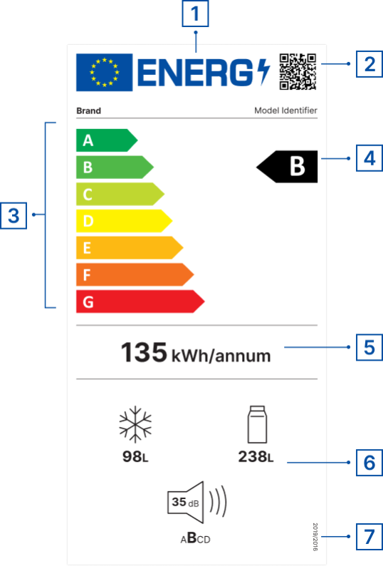
 | Reminder:
 | EU Energy Label
 | 1 | EU LABEL
 | 2 | QR code for more product information
 | 3 | Energy efficiency classes (from A to G)
 | 4 | Energy efficiency class of the product model
 | 5 | Energy consumption
 | 6 | Additional parameters (noise emission, water consumption, capacity, repairability, reliability class, etc.)
 | 7 | Reference to regulation
 |  | Sources
 |  | https://e3p.jrc.ec.europa.eu/node/189
 |  | https://eprel.ec.europa.eu/screen/home

 |  |  |  | https://www.energystar.gov/productfinder/?s=mega

